Cooling water & Purified steam
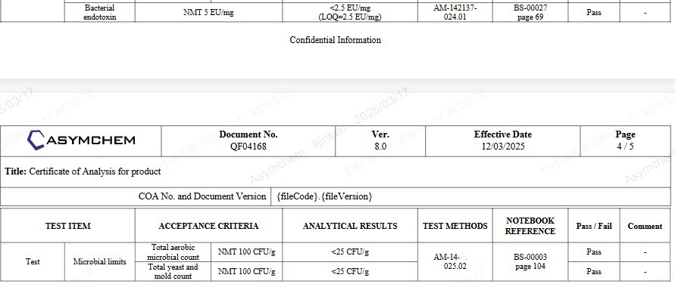
 | 冻干机
SN. | Description | Requirements
Freeze Dryer
1 | Electricity-total electrical load | 48Kw @ 380V, 50Hz, 3P, 5W
2 | Cooling water for refrigerant cooling | ≥16m3/h @ 1.5~3bar, 15~30°C | TJ4 uses 7–12°C cooling water
3 | City water for jacket cooling | ≥40L/min @ 1.5~2bar, 12~25°C | TJ4 use city water, and the jacket cannot withstand excessively high pressure
4 | City water for water ring pump | ≥15L/min @ 1.5~2bar, 12~25°C | TJ4 use 7–12°C cooling water
5 | WFI for cleaning | ≥220L/min @ 3~5bar, ≥80°C
6 | Compressed air for pneumatic valve | ≥40L/min @ 5~8bar
7 | Pure steam consumption for SIP | ≥200kg/ batch @ 2~3bar

Some customers or projects have requirements for microbiological control and endotoxin control of the final product. Among these, microbiological control is achieved through sterilization. At the TJ4 site, the lyophilizer uses pure steam for SIP, while the isolator is sterilized by manual wiping with 75% ethanol. Endotoxin control is achieved by using WFI (Water for Injection) for solution preparation and equipment cleaning. Very few project requires the Endotoxin control level that needs to sue WFI.
WFI may not be essential, but it is recommended to add pure steam in order to enable more effective in-place sterilization (SIP) of the lyophilizer.

